After Cooler Assy 12V140
ASSEMBLY CHECK SHEET
AFTER COOLER
KOMATSU ENGINE 12V140-1

JOB NUMBER |  |  |  |  |  | PART NAME |  | AFTER COOLER |  |  | DOCUMENT NO |  | RC/QR04/EG/18/01
ENGINE MODEL |  |  | 12V140-1 |  |  | PART NUMBER |  |  |  |  | PUBLISHED DATE |  | 01/08/2008
ENGINE S/N |  |  |  |  |  | START DATE / TIME |  |  |  |  | REVISION NO |  | 01
MACHINE MODEL |  |  |  |  |  | FINISH DATE / TIME |  |  |  |  | PAGE |  | 2 of 2

ASSEMBLY BY

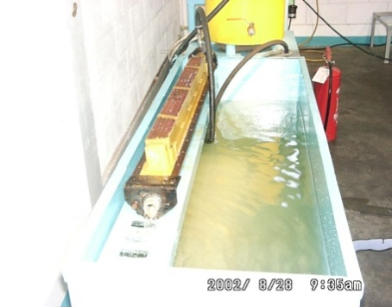
NO | PARTS | CHECK | CONDITION TO BE CHECKED |  |  |  |  | SPEC. | SIGN |  |  | REMARKS (SKETCH, PHOTOES)
 |  | POINT |  |  |  |  |  |  | MEC | QA | SPV
1 | Core |  | - Test and check flow in core element. |  |  |  |  | After cooler
 | Element |  |  |  |  |  |  | tester
 |  |  |  |  | Standard water temperature |  |  | 65 ~ 75°C

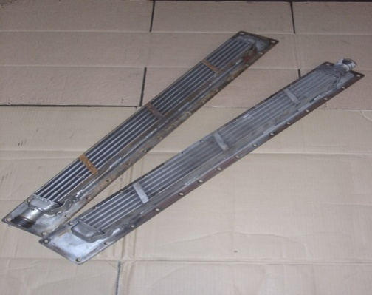
 |  |  | - Test and check leakage in core element
 |  |  |  |  | Standard pressure test |  |  | 3 ~ 4 kg/cm2

 |  |  |  |  | Actual: Kg/cm²

 |  |  | - Check O ring seat

 |  |  | - Check damage and crack on core, tube,
 |  |  |  | fin and bracket

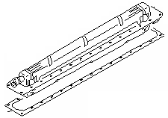
2 | Intake |  | - Check all threads on intake housing
 | Housing
 |  |  | - Check cleanliness, damage and crack on
 |  |  |  | intake housing.

3 | Intake |  | - Check all threads on intake core
 | Cover
 |  |  | - Check cleanliness damage, and crack on
 |  |  |  | intake cover.

4 | After Cooler Assembly |  | - Apply LG-6 on housing and cover surface.

 |  |  | - Install gasket on housing and cover
 |  |  |  | surface

 |  |  | - Install core element

 |  |  | - Install bolt and tighten

 |  |  |  |  | Standard torque Bolt M12 side 6 |  |  | 3 ± 0.5 Kgm

 |  |  |  |  | Actual : Kgm

 |  |  |  |  | Standard torque Bolt M14 side 6 |  |  | 4 ± 0.5 Kgm

 |  |  |  |  | Actual : Kgm

 |  |  | - Install gasket on connector

 |  |  | - Install connector on housing

5 | Plug
 |  |  | - Install plug on housing and tighten.
 |  |  |  |  | Standard torque Plug NPT 1/8 " |  |  | 1 ± 0.5 Kgm

 |  |  |  |  | Actual : kgm

NOTES :

 | ASSEMBLY BY |  |  |  |  |  | INSPECTION & APPROVED BY

 | MECHANIC ( MECH ) |  |  |  |  |  | QUALITY ASSURANCE (QA) |  |  |  |  |  | GL/SPV PRODUCTION

 | APROVED BY |  |  |  |  |  |  |  |  |  |  |  | ASSEMBLY BY

 | ( SUPERVISOR ) |  |  |  |  |  |  |  |  |  |  |  | ( MECHANIC )

